Elf
INSTRUCTIONS
Enter Zodiac name, degree and minutes in 3 brown columns
See the 7 Elven Star points in blue

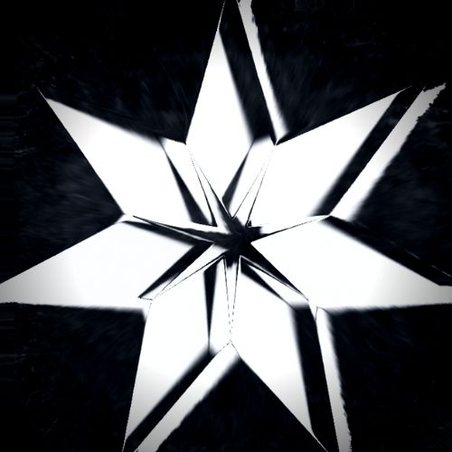
Enter: | Degree | Minute |  | Elven Star
Cancer | 20 | 0 | 1 | Cancer 21
 |  |  | 2 | Sagittarius 25
 |  |  | 3 | Taurus 29
 |  |  | 4 | Scorpio 3
 |  |  | 5 | Aries 8
 |  |  | 6 | Virgo 12
 |  |  | 7 | Aquarius 16

